Workout
Accounting and Financial Analysis

Workout
 | Calculate net debt

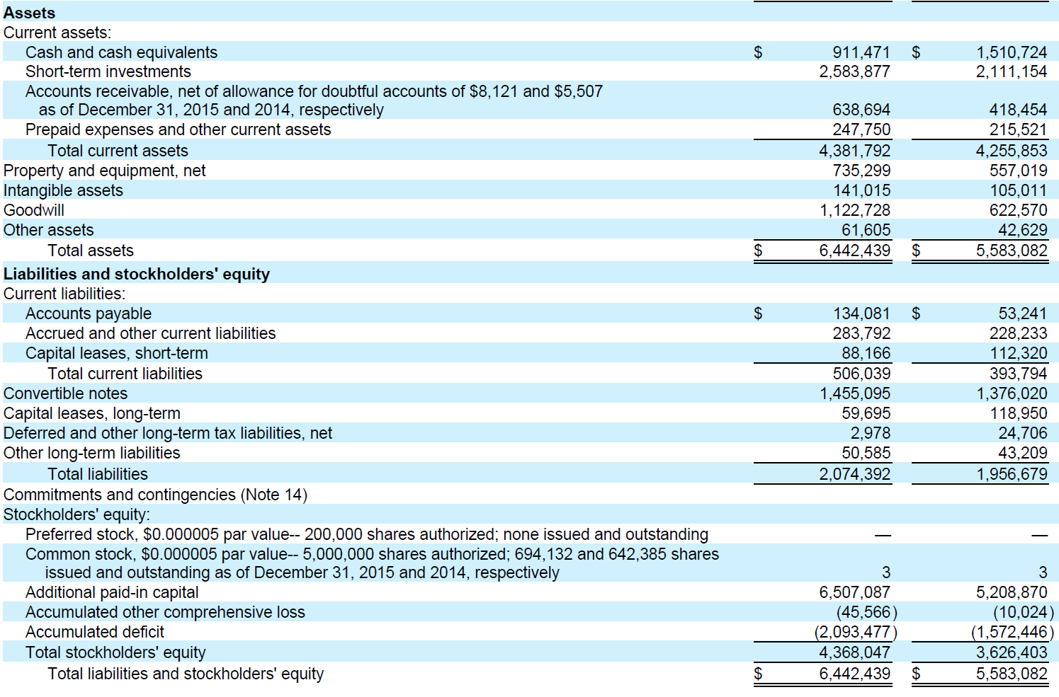

 | Capital leases, short term | 88,166.0 | 112,320.0
 | Convertible notes | 1,455,095.0 | 1,376,020.0
 | Capital leases, long term | 59,695.0 | 118,950.0
 | Short-term investments | 2,583,877.0 | 2,111,154.0
 | Cash and cash equivalents | 911,471.0 | 1,510,724.0
 | Net debt | (1,892,392.0) | (2,014,588.0)

